BattGO AT Command Communication
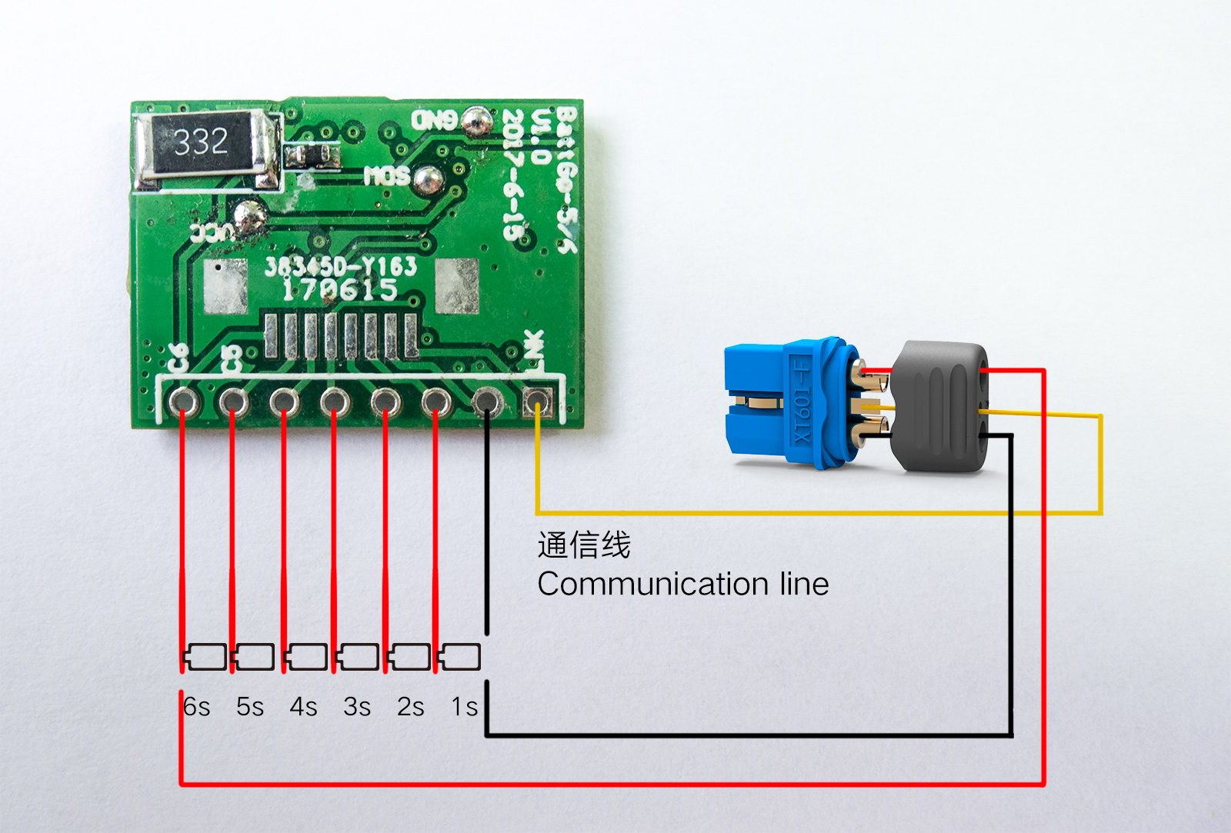
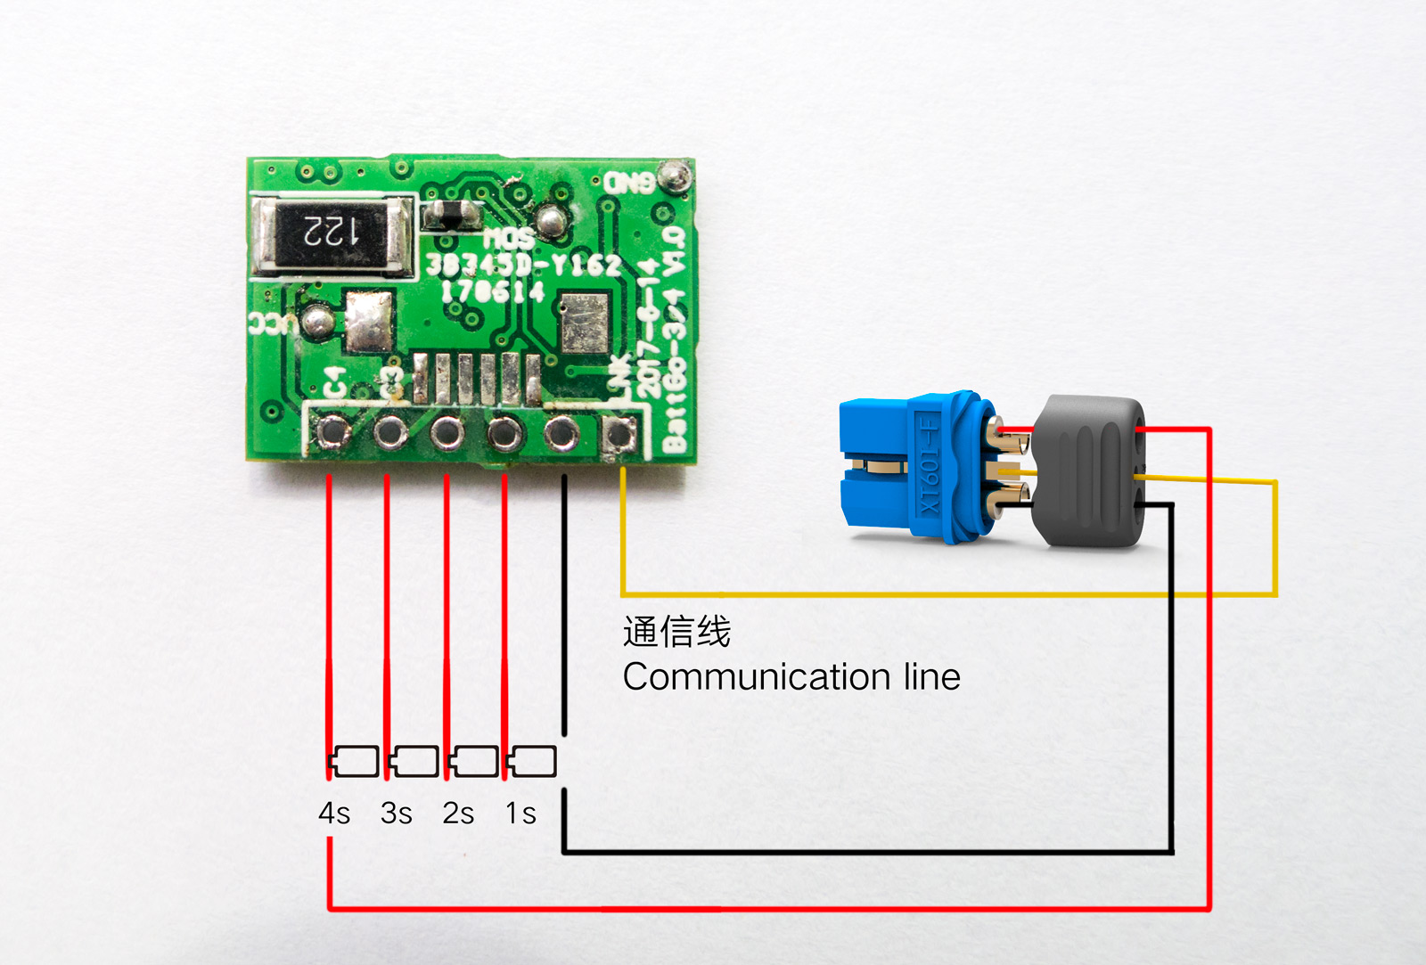
BattGO AT Command Communication Protocol
 |  | Examples, notes
version number | 1.1
Modified date | 2017-08-24

Electrical Interface | UART、USB
Baud rate | 115200bps
Start bit | 1bit
Stop bit | 1bit
Data bits | 8bit
Check Digit | no
High and low rank | Low byte first

Send data frame format
content | ASCII code
Command header | ‘&’
Command name | Abbreviation of each command capital letter
Data field | Each data is separated by <space>
Command tail | ‘\n’

Accept data frame format
content | ASCII code
Command header | %'
Command name | Abbreviation of each command capital letter
Data field | Each data is separated by <space>
Command tail | ‘\n’

Communication link command class
Check if the application is connected to the UART/USB port | TEST
Master-slave | Data field
ASK | no | &TEST\n
ACK | OK indicates normal communication with USB port, no return, communication with USB port is not connected | %TEST OK\n

Query smart battery link information | CBL
Master-slave | Data field | @CBL\n
ASK | no
ACK | Number of links | %CBL 0\n或者%CBL 1\n

Query UART/USB connection board hardware and software information | CUH
Master-slave | Data field
ASK | no | &CUH\n
ACK | Hardware Version (4byte ASCII Characters) | %CUH BG-UL-U 1000 1000\n
 | Software Version (4byte ASCII characters)

User operation command class

Smart Battery Information Inquiry | CSI
Master-slave | Data field
ASK | Battery ID | &CSI 1\n
ACK | Battery ID (0x31: Smart Battery Present, 0x30: No Smart Battery)
 | Battery Unique ID (10Byte Hex) | %CSI 1 AC204512BD6981CAFE00\n

Intelligent battery board hardware software information query | UHC
Master-slave | Data field
ASK | Battery ID | &UHC 1\n
ACK | Battery ID (0x31: Smart Battery Present, 0x30: No Smart Battery)
 | Main hardware version (1byte ASCII characters) | %UHC 1 10 10\n
 | Sub-hardware version (1byte ASCII character)
 | Main software version (1byte ASCII character)
 | Sub-software version (1byte ASCII characters)

User-defined parameter query | UPC
Master-slave | Data field
ASK | Battery ID | &UPC 1\n | 25 55 50 43 20 31 20 30 30 30 30 30 64 31 36 20 30 65 64 38 20 31 30 36
ACK | Battery ID (0x31: Smart Battery Present, 0x30: No Smart Battery) |  | 38 20 33 63 0A
 | Charging current (4byte hexadecimal) | %UPC 1 ……\n
 | Self-discharge cut-off voltage (2byte hexadecimal)
 | Full charge cutoff voltage (2byte hexadecimal)
 | Self-discharge timing (1byte hexadecimal)

Battery real-time parameter query | UVC
Master-slave | Data field
ASK | Battery ID | For example, query 6S battery cell voltage per cell:
 | Cell start number (starting from 0, ASCII characters) | &UVC 1 0 5\n
 | Cell End Number (starting from 0, ASCII characters)
ACK | Battery ID (0x31: Smart Battery Present, 0x30: No Smart Battery) | %UVC 1……\n
 | Effective cell starting string (1byte hexadecimal)
 | Effective cell end string (1byte hexadecimal)
 | Cell Voltage (2byte Hex)
 | Battery Temperature (1byte Hex)
 | Discharge current (4byte hexadecimal)
 | Charging current (4byte hexadecimal)

Write user setting parameters | UPW
Master-slave | Data field
ASK | Battery ID
 | Charge Current (mA) ASCII Characters
 | Self-discharge cut-off voltage (mV) ASCII characters | &UPW 1 1300 3800 4200 240\n
 | Full charge cutoff voltage (mV) ASCII characters
 | Self-discharge timing (h) ASCII characters
ACK | Battery ID (0x31: Smart Battery Present, 0x30: No Smart Battery) | %UPW 1 OK\n
 | OK indicates success, ERR error

Read cycle record | RLI
Master-slave | Data field | For example, query the first record number:
ASK | Battery ID | &RLI 1 1\n
 | Record number ASCII characters (0--103)
ACK | Battery ID (0x31: Smart Battery Present, 0x30: No Smart Battery) | %RLI 1 ……\n
 | Record number (1byte hexadecimal) | 0---103
 | Cycle number (2byte hexadecimal) | No data if FFFF
 | Data status (6byte hexadecimal) | All 0s are no exception records, B47=1, the temperature is too high; b46=1, the temperature is too low; B45=1, the charging device is a BattGo compatible device, b44=1, and the discharging device is a BattGo compatible device; b (0~43), battery core abnormal record; b0=1, the first section of battery core is overcharged, b1=1 first section of battery core is overdischarged, other batteries are sequentially analogized; maximum 22 strings can be supported

Reading abnormal statistics | RLE
Master-slave | Data field
ASK | Battery ID | &RLE 1\n
ACK | Battery ID (0x31: Smart Battery Present, 0x30: No Smart Battery)
 | Total battery cycle count (2byte hexadecimal) | %RLE 1 ……\n
 | Number of loop record entries (2byte hexadecimal)
 | Power off times (2byte hexadecimal)
 | Number of abnormal temperature (2byte hexadecimal)
 | Overpressure times (2byte hexadecimal)
 | Overloading times (2byte hexadecimal)

OEM信息命令类
OEM information read command | CBR
Master-slave | Data field
ASK | Battery ID | &CBR 1\n
ACK | Battery ID (0x31: Smart Battery Present, 0x30: No Smart Battery)
 | OEM customer number (2byte hexadecimal) | %CBR 1 ……\n
 | Battery Model ID (3byte Hex)
 | Production time (4byte hexadecimal)
 | Station number (1byte hexadecimal)
 | OEM name (ASCII string)

Interpretation of production time | b0~b5: Seconds, 0~59 B6~b11: minutes, 0~59 B12~b16: 0~23 B17~b21: day, 1~31 B22~b25: Months, 1~12 B26~b31: years, 0~63, 0 for 2017, 1 for 2018, and so on.

Battery OEM parameters read | CPR
Master-slave | Data field
ASK | Battery ID | &CPR 1\n | Len
ACK | Battery ID (0x31: Smart Battery Present, 0x30: No Smart Battery) |  |  | 1
 | Battery Type (1byte Hex) | %CPR 1 ……\n |  | 1
 | Single core over discharge voltage (2byte hexadecimal) |  |  | 2
 | Single core discharge voltage (2byte hexadecimal) |  |  | 2
 | Single core full charge voltage (2byte hexadecimal) |  |  | 2
 | Single-core storage voltage (2byte hexadecimal) |  |  | 2
 | Single core capacity (4byte hexadecimal) |  |  | 4
 | Charging C number (2byte hexadecimal) | Unit: (1/10)C |  | 2
 | Discharge C number (2byte hexadecimal) | Unit: (1/10)C |  | 2
 | Use low temperature limit (1byte hexadecimal) |  |  | 1
 | Use high temperature limit (1byte hexadecimal) |  |  | 1
 | Storage temperature limit (1byte hexadecimal) |  |  | 1
 | Storage temperature limit (1byte hexadecimal) |  |  | 1
 | Self-discharge enable (1byte hexadecimal) | Unit: h (hours) |  | 1
 | Number of battery strings (1byte hexadecimal) |  |  | 1

